Beam cross section (2)
Rectangle inputs (mm) |  |  |  | Calculated values |  |  |  |  |  |  |  |  |  |  |  |  |  | Raws |  |  | H lengh | L length
z1 | y1 | z2 | y2 | height | width | area | centre z | centre y | Az | Ay |  | Total area | 2000 | mm^2 |  |  |  | I_zz | I_yy | I_yz |  |  | J
-5 | 50 | 55 | 40 | 10 | 60 | 600 | 25 | 45 | 15000 | 27000 |  | Centre area z | 0 | mm |  |  |  | 1220000 | 555000 | 675000 | 60 | 10 | 2160000
5 | -50 | -55 | -40 | 10 | 60 | 600 | -25 | -45 | -15000 | -27000 |  | Centre area y | 0 | mm |  |  |  | 1220000 | 555000 | 675000 | 60 | 10 | 2160000
-5 | -40 | 5 | 40 | 80 | 10 | 800 | 0 | 0 | 0 | 0 |  |  |  |  |  |  |  | 426666.66667 | 6666.6666667 | 0 | 80 | 10 | 5120000
 |  |  |  | 0 | 0 | 0 | 0 | 0 | 0 | 0 |  |  |  |  |  |  |  | 0 | 0 | 0 | 0 | 0 | 0
 |  |  |  | 0 | 0 | 0 | 0 | 0 | 0 | 0 |  |  |  |  |  |  |  | 0 | 0 | 0 | 0 | 0 | 0
 |  |  |  | 0 | 0 | 0 | 0 | 0 | 0 | 0 | unconf | Final I_yz | 1350000 | mm^4 |  |  |  | 0 | 0 | 0 | 0 | 0 | 0
 |  |  |  | 0 | 0 | 0 | 0 | 0 | 0 | 0 |  | Final I_zz | 2866666.6667 | mm^4 |  |  |  | 0 | 0 | 0 | 0 | 0 | 0
 |  |  |  |  | 55
-5 | 50 | -5 | 40 | 55 | 50 | 55 | 40
5 | -50 | 5 | -40 | -55 | -50 | -55 | -40
-5 | -40 | -5 | 40 | 5 | -40 | 5 | 40
 |  |  |  | 0 | 0 | 0 | 0 | 0 | 0 | 0 |  | Final I_yy | 1116666.6667 | mm^4 |  |  |  | 0 | 0 | 0 | 0 | 0 | 0
 |  |  |  | 0 | 0 | 0 | 0 | 0 | 0 | 0 | * | Open J | 9440000 | mm^4 |  |  |  | 0 | 0 | 0 | 0 | 0 | 0
 |  |  |  | 0 | 0 | 0 | 0 | 0 | 0 | 0 |  |  |  |  |  |  |  | 0 | 0 | 0 | 0 | 0 | 0
 |  |  |  | 0 | 0 | 0 | 0 | 0 | 0 | 0 |  |  |  |  |  |  |  | 0 | 0 | 0 | 0 | 0 | 0
 |  |  |  | 0 | 0 | 0 | 0 | 0 | 0 | 0 |  |  |  |  |  |  |  | 0 | 0 | 0 | 0 | 0 | 0
 |  |  |  | 0 | 0 | 0 | 0 | 0 | 0 | 0 |  |  |  |  |  |  |  | 0 | 0 | 0 | 0 | 0 | 0
 |  |  |  | 0 | 0 | 0 | 0 | 0 | 0 | 0 |  |  |  |  |  |  |  | 0 | 0 | 0 | 0 | 0 | 0
 |  |  |  | 0 | 0 | 0 | 0 | 0 | 0 | 0 |  |  |  |  | Point conditions |  |  | 0 | 0 | 0 | 0 | 0 | 0
 |  |  |  | 0 | 0 | 0 | 0 | 0 | 0 | 0 |  |  |  |  | z Pos | -5 | mm | 0 | 0 | 0 | 0 | 0 | 0
 |  |  |  | 0 | 0 | 0 | 0 | 0 | 0 | 0 |  | Loading inputs |  |  | y Pos | 50 | mm | 0 | 0 | 0 | 0 | 0 | 0
 |  |  |  | 0 | 0 | 0 | 0 | 0 | 0 | 0 |  | M_zz | 1732 | Nm | rel z | -5 | mm | 0 | 0 | 0 | 0 | 0 | 0
 |  |  |  | 0 | 0 | 0 | 0 | 0 | 0 | 0 |  | M_yy | -1000 | Nm | rel y | 50 | mm | 0 | 0 | 0 | 0 | 0 | 0
 |  |  |  | 0 | 0 | 0 | 0 | 0 | 0 | 0 |  |  |  |  | ymul | 2382155954.1 | m^-4 | 0 | 0 | 0 | 0 | 0 | 0
 |  |  |  | 0 | 0 | 0 | 0 | 0 | 0 | 0 |  |  |  |  | zmul | -3775442272.8 | m^-4 | 0 | 0 | 0 | 0 | 0 | 0
 |  |  |  | 0 | 0 | 0 | 0 | 0 | 0 | 0 |  |  |  |  | sigma_xx | 0.13798500907 |  | 0 | 0 | 0 | 0 | 0 | 0
 |  |  |  | 0 | 0 | 0 | 0 | 0 | 0 | 0 |  |  |  |  |  | 137.98500907 | Mpa | 0 | 0 | 0 | 0 | 0 | 0
 |  |  |  | 0 | 0 | 0 | 0 | 0 | 0 | 0 |  |  |  |  |  |  |  | 0 | 0 | 0 | 0 | 0 | 0
 |  |  |  | 0 | 0 | 0 | 0 | 0 | 0 | 0 |  |  |  |  |  |  |  | 0 | 0 | 0 | 0 | 0 | 0
 |  |  |  | 0 | 0 | 0 | 0 | 0 | 0 | 0 |  | neutral axis angle | 1.0079220955 | rad |  |  |  | 0 | 0 | 0 | 0 | 0 | 0
 |  |  |  | 0 | 0 | 0 | 0 | 0 | 0 | 0 |  |  | 57.749682147 | degrees |  |  |  | 0 | 0 | 0 | 0 | 0 | 0
 |  |  |  | 0 | 0 | 0 | 0 | 0 | 0 | 0 |  |  |  |  |  |  |  | 0 | 0 | 0 | 0 | 0 | 0
 |  |  |  | 0 | 0 | 0 | 0 | 0 | 0 | 0 |  |  |  |  |  |  |  | 0 | 0 | 0 | 0 | 0 | 0
 |  |  |  | 0 | 0 | 0 | 0 | 0 | 0 | 0 |  |  |  |  |  |  |  | 0 | 0 | 0 | 0 | 0 | 0
 |  |  |  | 0 | 0 | 0 | 0 | 0 | 0 | 0 |  |  |  |  |  |  |  | 0 | 0 | 0 | 0 | 0 | 0
 |  |  |  | 0 | 0 | 0 | 0 | 0 | 0 | 0 |  |  |  |  |  |  |  | 0 | 0 | 0 | 0 | 0 | 0

Beam cross section
 |  |  |  |  |  |  |  |  |  |  |  |  |  |  |  |  | W | 10.28
Rectangle inputs (mm) |  |  |  | Calculated values |  |  |  |  |  |  |  |  |  |  |  |  | rho | 2700 |  |  |  | Raws |  |  | H lengh | L length
z1 | y1 | z2 | y2 | height | width | area | centre z | centre y | Az | Ay |  | Total area | 38.08 | mm^2 | 0.00003808 |  | g | 9.81 |  |  |  | I_zz | I_yy | I_yz |  |  | J
0 | 12.7 | 12.7 | 11.1 | 1.6 | 12.7 | 20.32 | 6.35 | 11.9 | 129.032 | 241.808 |  | Centre area z | 8.9384453782 | mm |  |  | L_1 | 0.07 |  |  |  | 182.55770675 | 409.26273868 | -155.76951062 | 12.7 | 1.6 | 3277.4128
11.1 | 0 | 12.7 | 11.1 | 11.1 | 1.6 | 17.76 | 11.9 | 5.55 | 211.344 | 98.568 |  | Centre area y | 8.9384453782 | mm |  |  | L_2 | 0.312 |  |  |  | 386.26334255 | 159.55831062 | -178.22277341 | 11.1 | 1.6 | 2188.2096
 |  |  |  | 0 | 0 | 0 | 0 | 0 | 0 | 0 |  |  |  |  |  |  |  |  |  |  |  | 0 | 0 | 0 | 0 | 0 | 0
 |  |  |  | 0 | 0 | 0 | 0 | 0 | 0 | 0 |  |  |  |  |  |  | R_1 | 4.0005512943 |  |  |  | 0 | 0 | 0 | 0 | 0 | 0
 |  |  |  | 0 | 0 | 0 | 0 | 0 | 0 | 0 |  |  |  |  |  |  | R_2 | 6.6647434404 |  |  |  | 0 | 0 | 0 | 0 | 0 | 0
 |  |  |  | 0 | 0 | 0 | 0 | 0 | 0 | 0 | unconf | Final I_yz | -333.99228403 | mm^4 | -3.3399228403E-10 | m^4 |  |  |  |  |  | 0 | 0 | 0 | 0 | 0 | 0
 |  |  |  | 0 | 0 | 0 | 0 | 0 | 0 | 0 |  | Final I_zz | 568.8210493 | mm^4 | 5.688210493E-10 | m^4 | a | -0.0054572887414 |  | x | 0.382 | 0 | 0 | 0 | 0 | 0 | 0
 |  |  |  |  | 12.7
0 | 12.7 | 0 | 11.1 | 12.7 | 12.7 | 12.7 | 11.1
11.1 | 0 | 11.1 | 11.1 | 12.7 | 0 | 12.7 | 11.1
 |  |  |  | 0 | 0 | 0 | 0 | 0 | 0 | 0 |  | Final I_yy | 568.8210493 | mm^4 | 5.688210493E-10 | m^4 | A | 1.1107905734 |  | v | 0.0031534161265 | 0 | 0 | 0 | 0 | 0 | 0
 |  |  |  | 0 | 0 | 0 | 0 | 0 | 0 | 0 | * | Open J | 5465.6224 | mm^4 | 5.4656224E-09 | m^4 | B | 0.04202604 |  |  | 3.1534161265 | 0 | 0 | 0 | 0 | 0 | 0
 |  |  |  | 0 | 0 | 0 | 0 | 0 | 0 | 0 |  |  |  |  |  |  | C | 0.66675854906 |  |  | 0.0023648473935 | 0 | 0 | 0 | 0 | 0 | 0
 |  |  |  | 0 | 0 | 0 | 0 | 0 | 0 | 0 |  |  |  |  |  |  | k | 0.038941007021 |  |  | 2.3648473935 | 0 | 0 | 0 | 0 | 0 | 0
 |  |  |  | 0 | 0 | 0 | 0 | 0 | 0 | 0 |  |  |  |  |  |  |  |  |  |  |  | 0 | 0 | 0 | 0 | 0 | 0
 |  |  |  | 0 | 0 | 0 | 0 | 0 | 0 | 0 |  |  |  |  |  |  |  |  |  |  |  | 0 | 0 | 0 | 0 | 0 | 0
 |  |  |  | 0 | 0 | 0 | 0 | 0 | 0 | 0 |  |  |  |  |  |  |  |  |  |  |  | 0 | 0 | 0 | 0 | 0 | 0
 |  |  |  | 0 | 0 | 0 | 0 | 0 | 0 | 0 |  |  |  |  |  |  | Point conditions |  |  |  |  | 0 | 0 | 0 | 0 | 0 | 0
 |  |  |  | 0 | 0 | 0 | 0 | 0 | 0 | 0 |  |  |  |  |  |  | z Pos | 6.5 | mm |  |  | 0 | 0 | 0 | 0 | 0 | 0
 |  |  |  | 0 | 0 | 0 | 0 | 0 | 0 | 0 |  | Loading inputs |  |  |  |  | y Pos | 12.7 | mm |  |  | 0 | 0 | 0 | 0 | 0 | 0
 |  |  |  | 0 | 0 | 0 | 0 | 0 | 0 | 0 |  | M_zz | -3.21 | Nm |  |  | rel z | -2.2 | mm |  |  | 0 | 0 | 0 | 0 | 0 | 0
 |  |  |  | 0 | 0 | 0 | 0 | 0 | 0 | 0 |  | M_yy | 0 | Nm |  |  | rel y | 8.9 | mm |  |  | 0 | 0 | 0 | 0 | 0 | 0
 |  |  |  | 0 | 0 | 0 | 0 | 0 | 0 | 0 |  | Youngs modulus | 68900000000 | Pa |  |  | ymul | -8612543581.9 | m^-4 |  |  | 0 | 0 | 0 | 0 | 0 | 0
 |  |  |  | 0 | 0 | 0 | 0 | 0 | 0 | 0 |  | x position | 0.3 | m |  |  | zmul | -5056991308.2 | m^-4 |  |  | 0 | 0 | 0 | 0 | 0 | 0
 |  |  |  | 0 | 0 | 0 | 0 | 0 | 0 | 0 |  |  |  |  |  |  | sigma_xx | -0.065526257 |  |  |  | 0 | 0 | 0 | 0 | 0 | 0
 |  |  |  | 0 | 0 | 0 | 0 | 0 | 0 | 0 |  |  |  |  |  |  |  | -65.526257 | Mpa |  |  | 0 | 0 | 0 | 0 | 0 | 0
 |  |  |  | 0 | 0 | 0 | 0 | 0 | 0 | 0 |  |  |  |  |  |  |  |  |  |  |  | 0 | 0 | 0 | 0 | 0 | 0
 |  |  |  | 0 | 0 | 0 | 0 | 0 | 0 | 0 |  |  |  |  |  |  |  |  |  |  |  | 0 | 0 | 0 | 0 | 0 | 0
 |  |  |  | 0 | 0 | 0 | 0 | 0 | 0 | 0 |  | neutral axis angle | -0.53092915895 | rad |  |  |  |  |  | m | mm | 0 | 0 | 0 | 0 | 0 | 0
 |  |  |  | 0 | 0 | 0 | 0 | 0 | 0 | 0 |  |  | -30.420000028 | degrees |  |  | k_1 | 0.038941007021 | c_1 | -0.06244891414 | -6.244891414E-08 | 0 | 0 | 0 | 0 | 0 | 0
 |  |  |  | 0 | 0 | 0 | 0 | 0 | 0 | 0 |  | R_yy | -7.9999595178 | m | -7999.9595178 | mm |  |  | c_2 | 0.066718925363 | 6.6718925363E-11 | 0 | 0 | 0 | 0 | 0 | 0
 |  |  |  | 0 | 0 | 0 | 0 | 0 | 0 | 0 |  | R_zz | -13.624702081 | m | -13624.702081 | mm |  |  |  |  |  | 0 | 0 | 0 | 0 | 0 | 0
 |  |  |  | 0 | 0 | 0 | 0 | 0 | 0 | 0 |  | y def mul | 0.062500316269 | m^-1 | 62.500316269 | mm^-1 | k_2 | 0.022864828743 | c_1 | -0.036667868558 | -3.6667868558E-08 | 0 | 0 | 0 | 0 | 0 | 0
 |  |  |  | 0 | 0 | 0 | 0 | 0 | 0 | 0 |  | z def mul | 0.036698050132 | m^-1 | 36.698050132 | mm^-1 |  |  | c_2 | 0.039175073246 | 3.9175073246E-11 | 0 | 0 | 0 | 0 | 0 | 0
 |  |  |  | 0 | 0 | 0 | 0 | 0 | 0 | 0 |  | y deflection | 0.0056250284642 | m |  |  |  |  |  |  |  | 0 | 0 | 0 | 0 | 0 | 0
 |  |  |  |  |  |  |  |  |  |  |  | z deflection | 0.0033028245119 | m
 |  |  |  |  |  |  |  |  |  |  |  |  |  |  |  |  |  |  | at | 306 | mm | 0.306 | m
 |  |  |  |  |  |  |  |  |  |  |  |  |  |  |  |  |  |  | v | -0.003935794776 |  | -0.003935794776
 |  |  |  |  |  |  |  |  |  |  |  |  |  |  |  |  |  |  | w | -0.0023109642098 |  | -0.0023109642098

Energy cons
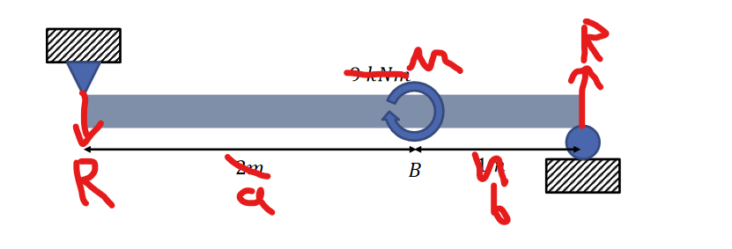
a | 2 | m
b | 1 | m
M | 9000 | N
EI | 30000 | Nm^2

L | 3 | m
R | 3000 | N

U | 450 | J

Sheet1
 |  |  |  |  |  |  |  |  |  | Calculated deflection |  |  | deflect func
 |  |  |  |  |  |  |  |  | y | v | 4.02 |  | 0.0000638 | -6.81E-08
 |  | Youngs modulus | 68900000000 |  |  |  |  |  | z | w | 2.4 |  | 0.000038 | -4.06E-08

 | Weight | Strain S1 | Strain S2 | Stress S1 | Stress S2 | Mpa S1 | Mpa S2
 | 1 | 0.0002 | -0.000111 | 13780000 | -7647900 | 13.78 | -7.6479
 | 2 | 0.000401 | -0.000212 | 27628900 | -14606800 | 27.6289 | -14.6068

 | 0.5 | 0.00018321 | -0.000136 | 12623169 | -9370400 | 12.623169 | -9.3704
 | 1 | 0.00031113 | -0.00024 | 21436857 | -16536000 | 21.436857 | -16.536 |  |  |  |  |  |  | 6.1764705882

 |  |  |  |  |  |  |  |  |  |  |  | mm/pix | 0.14705882353
 |  |  |  |  |  | mm
 |  |  |  | Weight | Pixel height | Height | Change |  |  |  |  | width | change
Maximum axial bending stress with model resolution
SG2 Bending stress with model resolution
 |  |  |  | 0 |  | 1.5 | 0 |  | 1.7 |  |  |  |  |  |  |  | a
 |  |  |  | 1 |  | 4.6 | 3.1 |  | 4.9 | 3.2
 |  |  |  | 2 |  | 7.7 | 6.2 |  | 8 | 6.3 |  |  | 2.2058823529
 |  | 2.2253092817 | 2.318063335 | 2.4593924878 | 2.7573960288 | 2.9542425094 | 3.8743658357 | 4.7494270991
 | elements | 168 | 208 | 288 | 572 | 900 | 7488 | 56160
 | elements | 168 | 208 | 288 | 572 | 900 | 7488 | 56160
 | Res | 2 | 3 | 4 | 5 | 7 |  |  |  |  |  | 168 | 2224 | 6212 | 17472 | 234
4.1676 | Def M y | 4.1676 | 4.1748 | 4.1837 | 4.1842 | 4.1847 | 4.1864 | 4.187 |  |  |  | 2 | 4 | 6 |  | 3
 | Def M z | 2.3763 | 2.3792 | 2.3844 | 2.3848 | 2.385 | 2.3856 | 2.3858 |  |  |  | 0.002933 | 0.002949 | 0.0029493 | 0.002951 | 0.002951
63.543 | Axial max Mpa | 63.543 | 65.988 | 67.517 | 70.855 | 73.031 | 87.588 | 110.54 |  |  |  | 0.001651 | 0.001657 | 0.001657 | 0.0016577 | 0.0016577
20.253 | Stress SG1 x Mpa | 20.253 | 24.011 | 20.115 | 20.045 | 20.058 | 20.055 | 20.055 |  |  |  | 51200000 | 54450000 | 58710000 | 77859000 | 77859000
 | y |  |  |  |  |  |  |  |  |  |  | 10570000 | 10330000 | 10371000 | 10363000 | 10363000
-15.895 | Stress SG2 | -15.895 | -15.928 | -15.944 | -15.943 | -15.943 | -15.942 | -15.942 |  |  |  | -376000 | -119900 | -82433 | -83174
 |  |  |  |  |  |  |  |  |  |  |  | -13710000 | -13750000 | -13753000 | -13753000 | -13753000
 | adjusted values |  |  |  |  |  |  |  |  |  |  | 100500 | 13127 | 601 | 0.31
40000000 | axial max | 40000000 | 41539115.245 | 42501613.081 | 44602867.35 | 45972648.443 |  | #NAME?
21500000 | bending stress SG1 | 21500000 | 25489384.289 | 21353503.185 | 21279193.206 | 21292993.631
15800000 | bend stress SG2 | 15800000 | 15832802.768 | 15848707.141 | 15847713.117 | 15847713.117
SG1 Bending stress with model resolution
12312312 | deflection at tip | 12312312 | 12333582.91 | 12359876.119 | 12361353.266 | 12362830.412
beam tip y deflection with model resolution

beam tip z deflection with model resolution

Composites
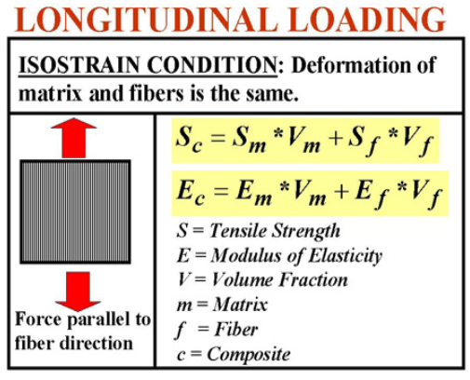
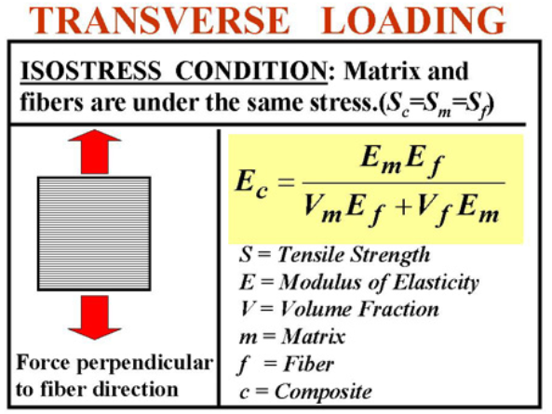

Reinforcement |  |  | Isostrain |  |  | Isostress
Fraction | 0.4 |  | Youngs | 160.36 | Gpa | Youngs | 0.999000999 | Gpa
Youngs modulus | 400 | Gpa | Tesnsile strength | 0 | Gpa | Tesnsile strength |  | Gpa | v
Tensile strength |  | Gpa

Matrix
Fraction | 0.6
Youngs modulus | 0.6 | Gpa
Tensile strength |  | Gpa

